Instructions2
Order form OUTSIDE FACADE BLINDS - Instruction 2

Width (mm) a Height (mm)
Illustrative picture

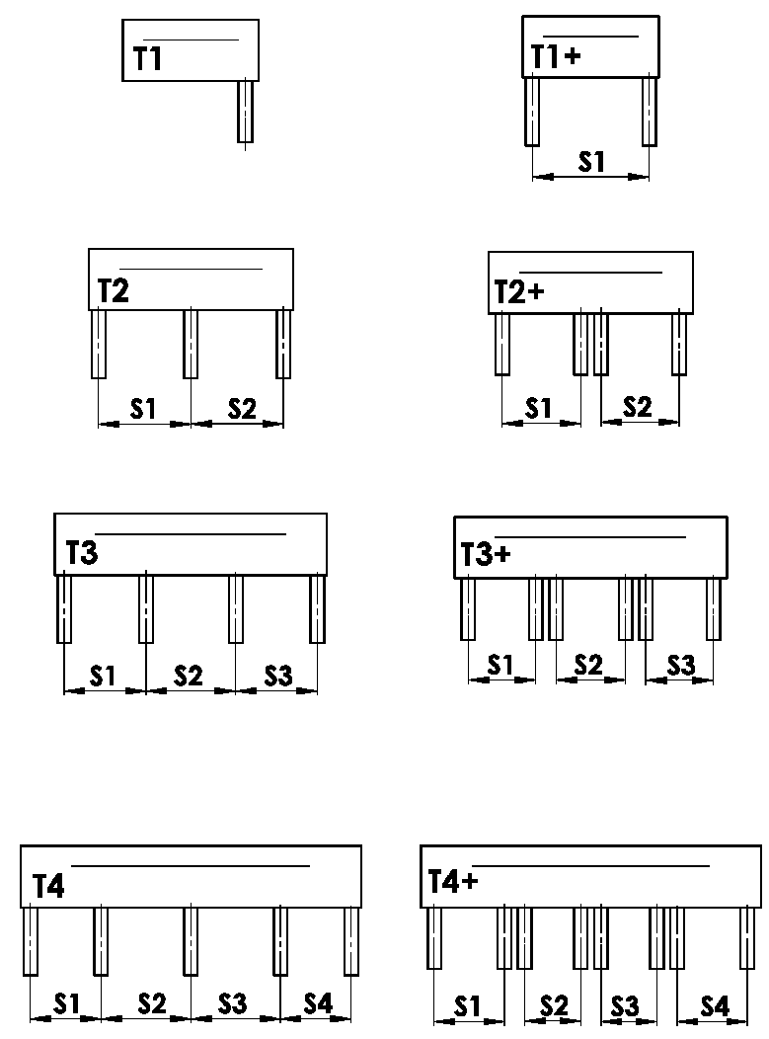
Variations of BOXES
Abbreviation | Name | Note | Illustrative picture
T1 | 1 section, 1 guiding channel
T1+ | 1 section, 2 guiding channels
T2 | 2 sections, 3 guiding channels
T2+ | 2 sections, 2 guiding channels for each section
T3 | 3 sections, 4 guiding channels
T3+ | 3 sections, 2 guiding channels for each section
T4 | 4 sections, 5 guiding channels
T4+ | 4 sections, 2 guiding channels for each section

Placing of guiding channel
Abbreviation | Name | Note | Illustrative picture
A | Outer guiding channels placed inside cover
B | Outer guiding channels placed outside cover
A/B | Outer guiding channels placed 1x inside and 1x outside cover
B/A | Outer guiding channels placed 1x inside and 1x outside cover

Size "B" and "B1" [mm]
Illustrative picture
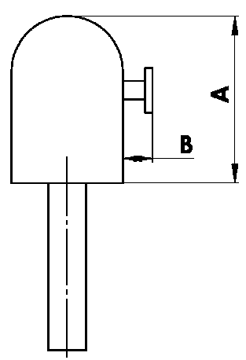
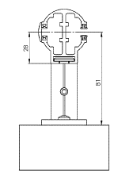

Dimension of front cover - A [mm]
Abbreviation | Name | Note
240 | 240 | C80: to 1600mm | Z90: to 1800 mm | C80F: to 3600mm
332 | 332 | C80: 1601mm - 2900mm | Z90: 1801mm - 3400mm | C80F: over 3601mm
392 | 392 | C80: over 2900mm | Z90: over 3400mm

Colour of front cover
Abbreviation | Name | Note
1013 | RAL yellow (oyster white) 1013
1015 | RAL yellow (light ivory) 1015
1019 | RAL yellow (grey yellow) 1019
3004 | RAL red (special for slat 3004)
3005 | RAL red (wine red) 3005
6009 | RAL green (fir green) 6009
7015 | RAL grey (slate grey) 7015
7016 | RAL grey (anthracite grey) 7016
7016M | RAL grey (anthracite) matt 7016
7016S | RAL grey (anthracite grey) 7016 structured
7021 | RAL grey (black grey) 7021
7022 | RAL grey (umbra grey) 7022
7024 | RAL grey (graphite) 7024
7035 | RAL grey (light grey) 7035
7037 | RAL grey (dusty grey) 7037
7038 | RAL grey (agate grey) 7038
7039 | RAL grey (quartz grey) 7039
7040 | RAL grey (window grey) 7040
7044 | RAL grey ( grey silk ) 7044
7048 | RAL grey (pearl grey) 7048
8012 | RAL brown (red brown) 8012
8014 | RAL brown (sepia brown) 8014
8014M | RAL brown (sepia brown) matt 8014
8014S | RAL brown (sepia brown) 8015 structured
8019 | RAL brown (grey brown) 8019
9003RAL | RAL white ( white signal ) 9003
9004 | RAL black (signal black) 9004
9005 | RAL black (jet black) 9005
9005M | RAL black (jet black) matt 9005
9005S | RAL black (jet black) 9005 structured
9006RAL | RAL grey (grey aluminium) 9006
9006M | RAL grey (grey aluminium) matt 9006
9006S | RAL grey (grey aluminium) 9006 structured
9007 | RAL grey (grey aluminium) 9007
9007M | RAL grey (grey aluminium) matt 9007
9007S | RAL grey (grey aluminium) 9007 structured
9010 | RAL white 9010
9010M | RAL white matt 9010
9010S | RAL white 9010 structured
9016 | RAL white (traffic white) 9016
9016S | RAL white (traffic white) 9016 structured
9016M | RAL white (traffic white) matt 9016
DB702 | RAL grey ( for lamele DB702 )
DB703 | RAL grey (dark pearl) DB 703
YW359F | black metallic
VSR780 | RAL VSR780
ISD110 | Isotra system DECORAL smooth ISD110
ISD120 | Isotra system DECORAL smooth ISD120
ISD130 | Isotra system DECORAL smooth ISD130
ISD140 | Isotra system DECORAL smooth ISD140
ISD150 | Isotra system DECORAL smooth ISD150
ISD160 | Isotra system DECORAL smooth ISD160
ISD210 | Isotra system DECORAL structure ISD210
ISD220 | Isotra system DECORAL structure ISD220
ISD230 | Isotra system DECORAL structure ISD230
ISD310 | Isotra system DECORAL gloss ISD310
ISD152 | Isotra systém DECORAL smooth ISD152 | Decoral max. width is 4m.
ISD154 | Isotra systém DECORAL smooth ISD154 | Decoral max. width is 4m.
ISD200 | Isotra systém DECORAL structure ISD200 | Decoral max. width is 4m.
ISD212 | Isotra systém DECORAL structure ISD212 | Decoral max. width is 4m.
ISD214 | Isotra systém DECORAL structure ISD214 | Decoral max. width is 4m.
ISD222 | Isotra systém DECORAL structure ISD222 | Decoral max. width is 4m.
ISD500 | Isotra systém DECORAL smooth ISD500 | Decoral max. width is 4m.
ISD510 | Isotra systém DECORAL smooth ISD510 | Decoral max. width is 4m.
ISD600 | Isotra systém DECORAL structure ISD600 | Decoral max. width is 4m.
ISD610 | Isotra systém DECORAL structure ISD610 | Decoral max. width is 4m.
ISD620 | Isotra systém DECORAL structure ISD620 | Decoral max. width is 4m.
ISD630 | Isotra systém DECORAL structure ISD630 | Decoral max. width is 4m.
ISD640 | Isotra systém DECORAL structure ISD640 | Decoral max. width is 4m.
ISD700 | Isotra systém DECORAL blue bubbles ISD700 | Decoral max. width is 4m.
Xisd | Other ISD (check with Sales Rep.)
X | other colour according to the RAL sampler

Spray type
Abbreviation | Name | Note
VNE | 1. external spraying
0 | 4. not spraying (without RAL )

Packing
Abbreviation | Name | Note
FB | Foil
K | Cardboard
KV | Cardboard with reinforcement
FBK | Cardboard with bubble foil
FBKV | Cardboard with bubble foil and reinforcement

Valid from : 21.11.2025

