Pergola
ISOTRA a.s.
Bílovecká 2411/1, 746 01 Opava |  |  |  |  |  |  |  |  |  |  | TEL.: +420 553 685 101 |  |  |  | FAX: +420 553 685 110 |  |  |  |  |  |  |  |  |  |  |  |  |  |  |  |  |  |  |  |  |  |  |  |  |  |  | www.isotra.cz
Order form Pergola
Pergola ARTOSI

Order |  |  |  |  |  |  |  |  |  |  | Customer
Order No.: |  |  |  |  |  |  |  |  |  |  | Name:
 |  |  |  |  |  |  |  |  |  |  | VAT:
Order date. |  |  |  |  |  |  |  |  |  |  | Invoice address:

Telephone:
 |  |  |  |  |  |  |  |  |  |  | Delivery address:
Dispatch date.

Position | Quantity | Product code | Product type | Mounting type | Width (mm) | Length = ejection (mm) | Color of coated components | Slats color | Tilt direction of the slats | Access point and number of motors | Motor type | Auxiliary access point | Frame anchoring | Pole type | Pole A1. | Pole A1 - dimension "H" (mm) | Pole A1 - axis shift (mm) | Pole A1 - location of rain outfall | Pole A3. | Pole A3 - dimension "H" (mm) | Pole A3 - axis shift (mm) | Pole A3 - location of rain outfall | Pole C1. | Pole C1 - dimension "H" (mm) | Pole C1 - axis shift (mm) | Pole C1 - location of rain outfall | Pole C3. | Pole C3 - dimension "H" (mm) | Pole C3 - axis shift (mm) | Pole C3 - location of rain outfall | Pole (additional) A2. | Pole A2 - dimension "H" (mm) | Pole A2 - axis shift (mm) | Pole A2 - location of rain outfall | Pole (additional) C2 | Pole C2 - dimension "H" (mm) | Pole C2 - axis shift (mm) | Pole C2 - location of rain outfall | Number of slats in the 2nd section | LED lighting | Lighting location | Packing
1 | 2 | 3 | 4 | 5 | 6 | 7 | 8 | 9 | 10 | 11 | 12 | 13 | 14 | 15 | 16 | 17 | 18 | 19 | 20 | 21 | 22 | 23 | 24 | 25 | 26 | 27 | 28 | 29 | 30 | 31 | 32 | 33 | 34 | 35 | 36 | 37 | 38 | 39 | 40 | 41 | 42 | 43

Note:

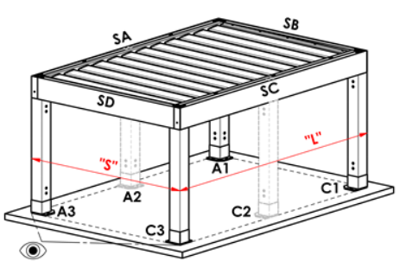
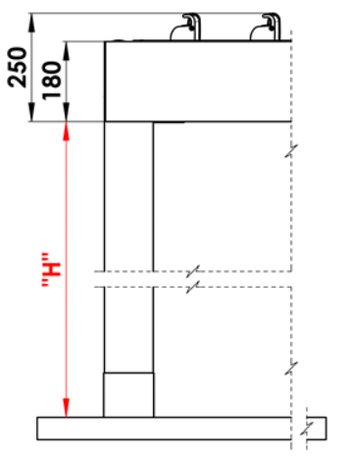
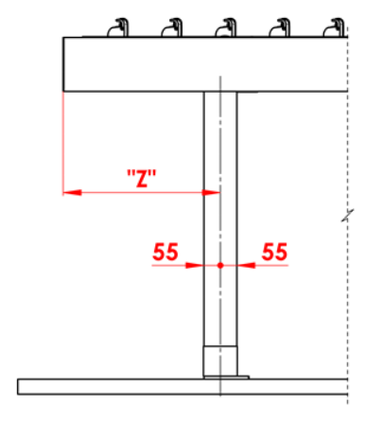
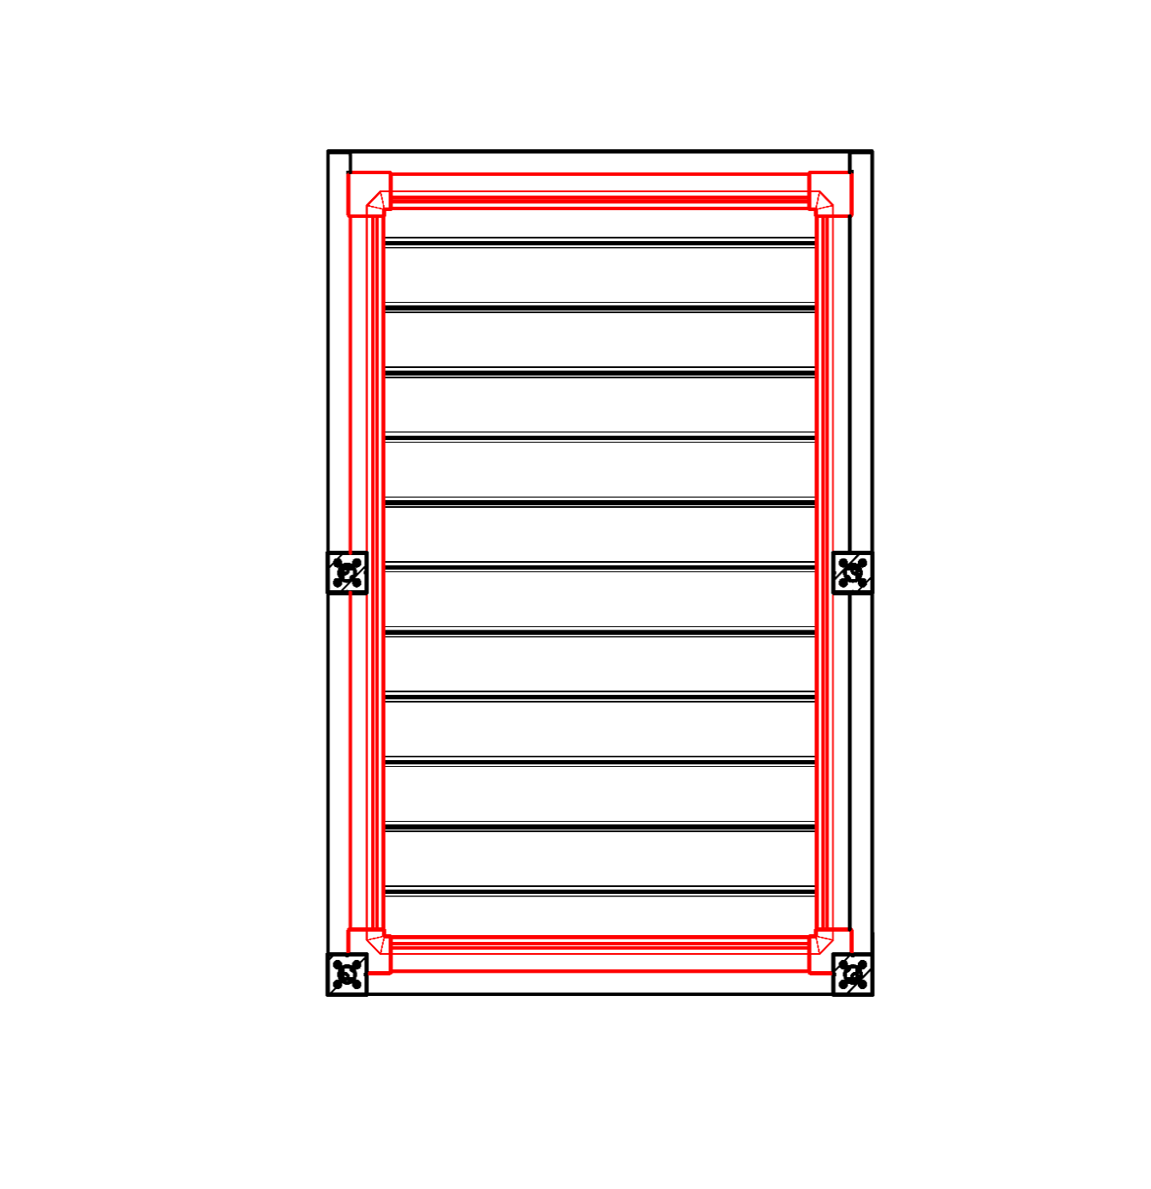
Note
16/ dimension "H" 500 - 3000mm |  |  |  |  |  |  | S - width |  |  |  |  |  |  |  |  |  | Passage heigt "H" |  |  |  |  | Move the pole along the length |  |  |  |  |  |  |  |  |  | Rain outfall around the perimeter
17/ axis shift = 0mm; or in dimension 255 - 1055mm length shift, in dimension 255 - 555mm width shift |  |  |  |  |  |  | L - length

Recommended number of rain outfall:
to 12m² pergola area - 1pc rain outfall
over 12m² pergola area - 2pcs rain outfalls
over 24m² pergola area- we recommend 3pcs rain out falls

Note
Overlay profiles are ordered separately.
The cover profile PK_05 cannot be combined with sealing brushes.
For technological reasons, it is not possible to repaint any profile.

 |  |  |  |  |  |  |  |  |  |  |  |  |  |  |  |  | Location of rain outfall in the pole

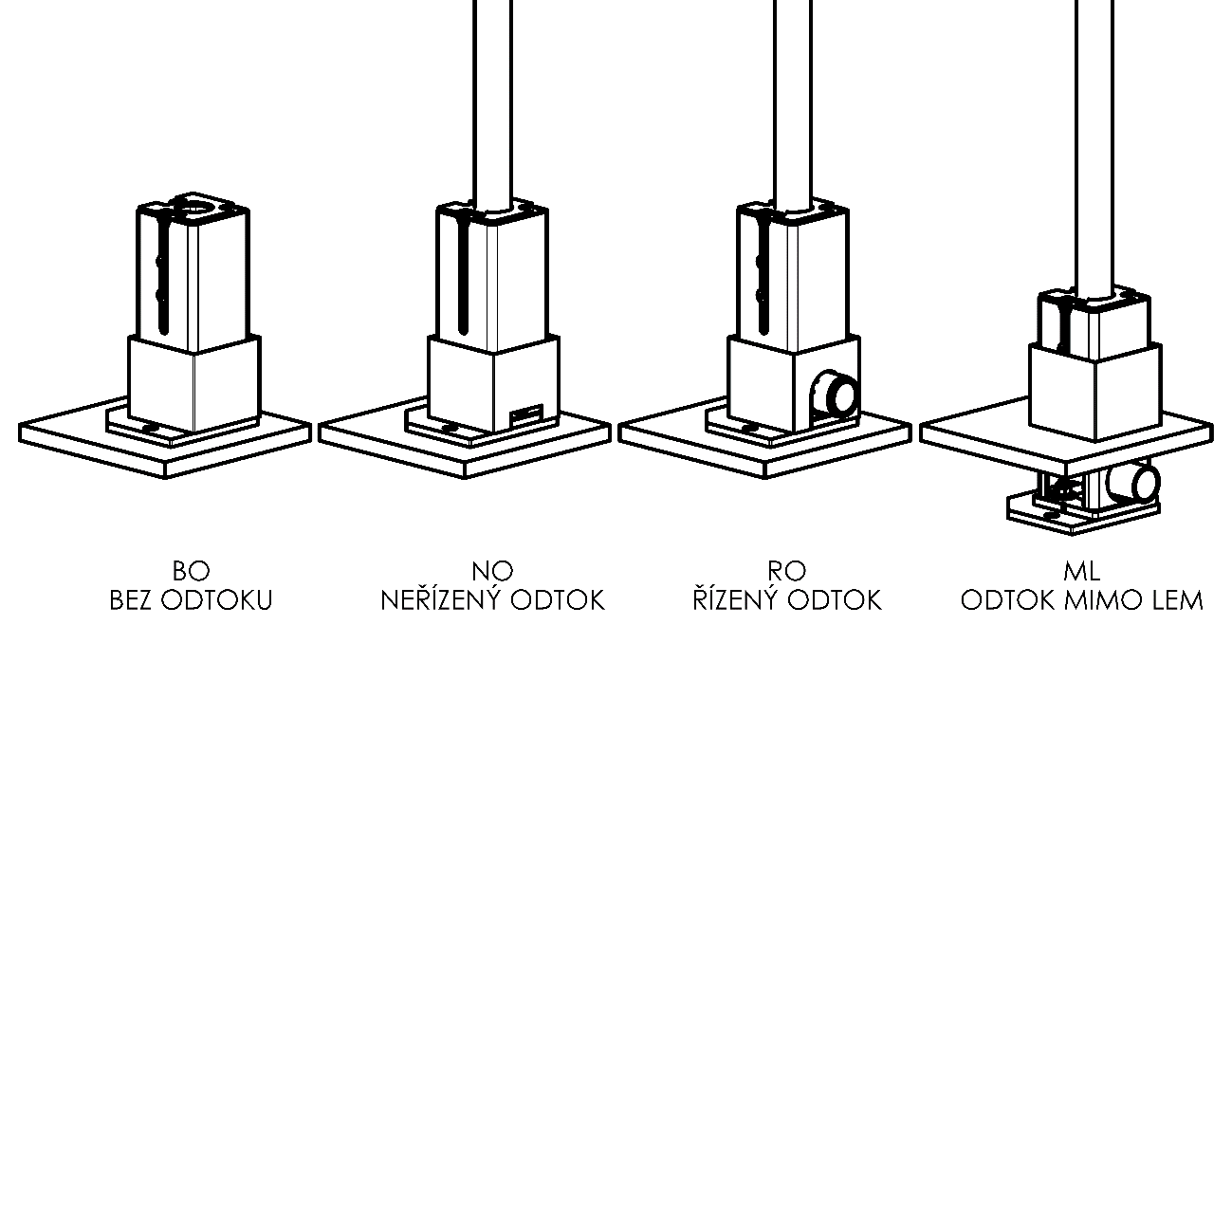

General business terms and Complaint Procedure terms are expressly valid for mutual business between Isotra a.s. and the customer. All terms are available here:
Valid from: 17.08.2026.

Instructions
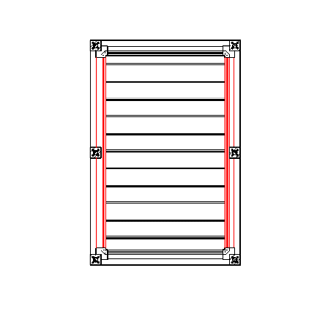
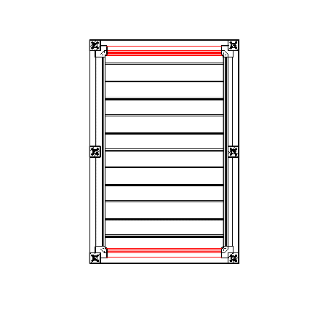
Order form Pergola

Product code
abbreviation | name | note | Mounting type
ARTOSI | ARTOSI

Product type |  |  |  | Typ A
abbreviation | name | note
ARTOSI

Mounting type
abbreviation | name | note
A | Type A
B | Type B
D | Type D

Color of coated components
abbreviation | name | note
9010M | RAL white 9010 matte | standard
9010S | RAL white 9010 Structure | standard
9006RAL | RAL silver 9006 | standard
9006S | RAL silver 9006 Structure | standard
9007RAL | RAL grey (grey aluminium) 9007 | standard
9007S | RAL grey (grey aluminium) 9007 Structure | standard
8014M | RAL brown ( sepia ) 8014 matte | standard
8014S | RAL brown ( sepia ) 8014 Structure | standard
7016M | RAL grey (anthtacite) 7016 matte | standard
7016S | RAL grey ( anthracite ) 7016 Structure | standard
DB702 | RAL grey (special for slat DB702) | standard
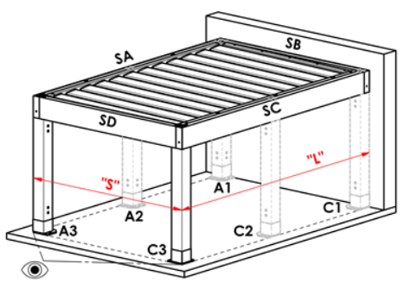
DB703 | RAL grey (dark pearl) DB 703 | standard |  | Typ B
1013RAL | RAL yellow (oyster white) 1013
1015RAL | RAL yellow (ivory) 1015
1019RAL | RAL yellow ( grey yellow ) 1019
3004RAL | RAL 3004 Purple red
3005RAL | RAL red (wine) 3005
6009RAL | RAL 6009 Fir green
7015RAL | RAL grey (slate) 7015
7016RAL | RAL grey ( anthracite ) 7016
7021RAL | RAL grey ( black-grey ) 7021
7022RAL | RAL grey umbra 7022
7024RAL | RAL grey ( graphite ) 7024
7035RAL | RAL grey ( light-grey ) 7035
7037RAL | RAL grey ( dusty ) 7037
7038RAL | RAL 7038 Agate grey
7039RAL | RAL 7039 Quartz grey
7040RAL | RAL 7040 Window grey
7044RAL | RAL grey ( silky ) 7044
7048RAL | RAL 7048 Pearl mouse grey
8012RAL | RAL brown ( red-brown ) 8012
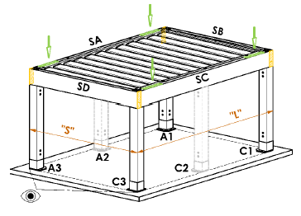
8014RAL | RAL brown ( sepia ) 8014
8019RAL | RAL brown ( grey-brown ) 8019
9003RAL | RAL white 9003
9004RAL | RAL 9004 Signal black |  |  | Typ D
9005M | RAL black (dark black ) matte 9005
9005RAL | RAL black ( dark black) 9005
9005S | RAL black ( dark black ) Structure 9005
9006M | RAL silver matte 9006
9007M | RAL grey ( grey aluminium ) MATT 9007
9010RAL | RAL white 9010
9016M | RAL white (Traffic white) MATT 9016
9016RAL | RAL 9016 Traffic white
9016S | RAL white Structure 9016
YW359F | RAL black matallic
VSR780 | RAL VSR 780
X | other colour according to the RAL sampler

Slats color
abbreviation | name | note
9010M | RAL white 9010 matte | standard
9010S | RAL white 9010 Structure | standard
9006RAL | RAL silver 9006 | standard
9006S | RAL silver 9006 Structure | standard
9007RAL | RAL grey (grey aluminium) 9007 | standard
9007S | RAL grey (grey aluminium) 9007 Structure | standard
8014M | RAL brown ( sepia ) 8014 matte | standard
8014S | RAL brown ( sepia ) 8014 Structure | standard
7016M | RAL grey (anthtacite) 7016 matte | standard
7016S | RAL grey ( anthracite ) 7016 Structure | standard
DB702 | RAL grey (special for slat DB702) | standard
DB703 | RAL grey (dark pearl) DB 703 | standard
1013RAL | RAL yellow (oyster white) 1013
1015RAL | RAL yellow (ivory) 1015
1019RAL | RAL yellow ( grey yellow ) 1019
3004RAL | RAL 3004 Purple red
3005RAL | RAL red (wine) 3005
6009RAL | RAL 6009 Fir green
7015RAL | RAL grey (slate) 7015
7016RAL | RAL grey ( anthracite ) 7016
7021RAL | RAL grey ( black-grey ) 7021
7022RAL | RAL grey umbra 7022
7024RAL | RAL grey ( graphite ) 7024
7035RAL | RAL grey ( light-grey ) 7035
7037RAL | RAL grey ( dusty ) 7037
7038RAL | RAL 7038 Agate grey
7039RAL | RAL 7039 Quartz grey
7040RAL | RAL 7040 Window grey
7044RAL | RAL grey ( silky ) 7044
7048RAL | RAL 7048 Pearl mouse grey
8012RAL | RAL brown ( red-brown ) 8012
8014RAL | RAL brown ( sepia ) 8014
8019RAL | RAL brown ( grey-brown ) 8019
9003RAL | RAL white 9003
9004RAL | RAL 9004 Signal black
9005M | RAL black (dark black ) matte 9005
9005RAL | RAL black ( dark black) 9005
9005S | RAL black ( dark black ) Structure 9005
9006M | RAL silver matte 9006
9007M | RAL grey ( grey aluminium ) MATT 9007
9010RAL | RAL white 9010
9016M | RAL white (Traffic white) MATT 9016 |  | Tilt direction of the slats
9016RAL | RAL 9016 Traffic white
9016S | RAL white Structure 9016 |  |  | view direction "A" |  |  |  |  | view direction "B"
YW359F | RAL black matallic
VSR780 | RAL VSR780
X | other colour according to the RAL sampler
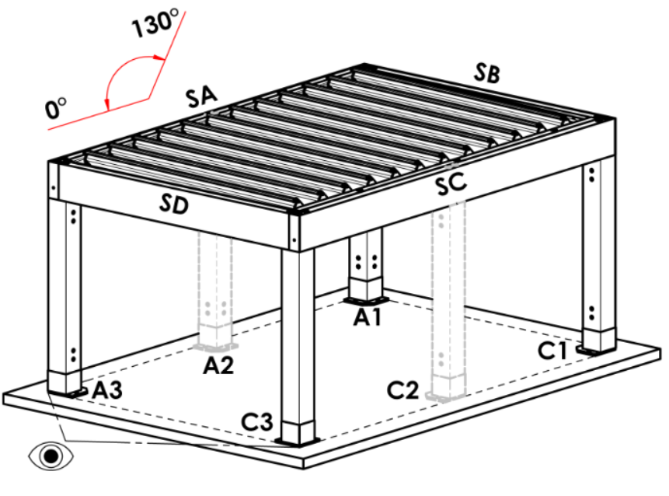
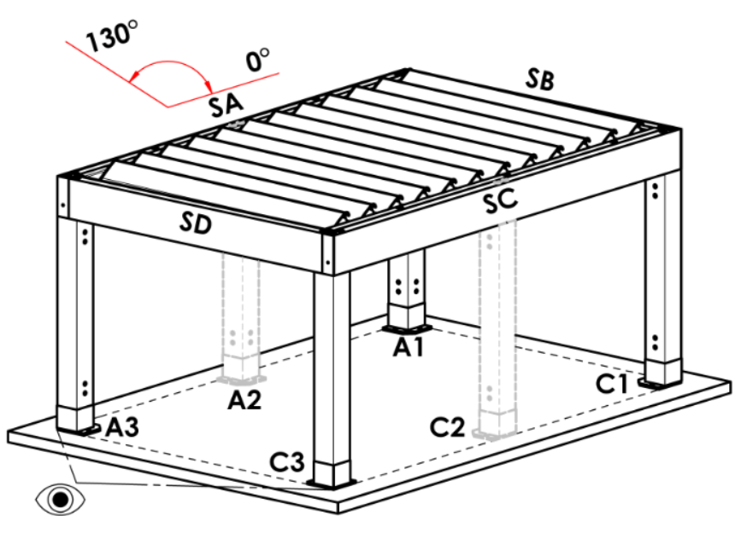
ISD110 | Isotra system DECORAL smooth ISD110 | Decoral max. width is 4,5m.
ISD120 | Isotra system DECORAL smooth ISD120 | Decoral max. width is 4,5m.
ISD130 | Isotra system DECORAL smooth ISD130 | Decoral max. width is 4,5m.
ISD140 | Isotra system DECORAL smooth ISD140 | Decoral max. width is 4,5m.
ISD150 | Isotra system DECORAL smooth ISD150 | Decoral max. width is 4,5m.
ISD160 | Isotra system DECORAL smooth ISD160 | Decoral max. width is 4,5m.
ISD210 | Isotra system DECORAL structure ISD210 | Decoral max. width is 4,5m.
ISD220 | Isotra system DECORAL structure ISD220 | Decoral max. width is 4,5m.
ISD230 | Isotra system DECORAL structure ISD230 | Decoral max. width is 4,5m.
ISD310 | Isotra system DECORAL polish ISD310 | Decoral max. width is 4,5m.
ISD152 | Isotra system DECORAL smooth ISD152 | Decoral max. width is 4,5m.
ISD154 | Isotra system DECORAL smooth ISD154 | Decoral max. width is 4,5m.
ISD200 | Isotra system DECORAL structure ISD200 | Decoral max. width is 4,5m.
ISD212 | Isotra system DECORAL structure ISD212 | Decoral max. width is 4,5m.
ISD214 | Isotra system DECORAL structure ISD214 | Decoral max. width is 4,5m.
ISD222 | Isotra system DECORAL structure ISD222 | Decoral max. width is 4,5m.
ISD500 | Isotra system DECORAL smooth ISD500 | Decoral max. width is 4,5m.
ISD510 | Isotra system DECORAL smooth ISD510 | Decoral max. width is 4,5m.
ISD600 | Isotra system DECORAL structure ISD600 | Decoral max. width is 4,5m.
ISD610 | Isotra system DECORAL structure ISD610 | Decoral max. width is 4,5m.
ISD620 | Isotra system DECORAL structure ISD620 | Decoral max. width is 4,5m.
ISD630 | Isotra system DECORAL structure ISD630 | Decoral max. width is 4,5m.
ISD640 | Isotra system DECORAL structure ISD640 | Decoral max. width is 4,5m.
ISD700 | Isotra system DECORAL blue bubbles ISD700 | Decoral max. width is 4,5m.
Xisd | OTHER ISD (check with your Sales Rep.) | Decoral max. width is 4,5m.
7016S/9010S | the upper part 7016S / the lower part 9010S
7016S/9016S | the upper part 7016S / the lower part 9016S
7016S/9006S | the upper part 7016S / the lower part 9006S
7016S/9007S | the upper part 7016S / the lower part 9007S
DB703S/9010S | the upper part DB703S / the lower part 9010S
DB703S/9016S | the upper part DB703S / the lower part 9016S
DB703S/9006S | the upper part DB703S / the lower part 9006S
DB703S/9007S | the upper part DB703S / the lower part 9007S

Tilt direction of the slats
abbreviation | name | note
A | view direction "A"
B | view direction "B"

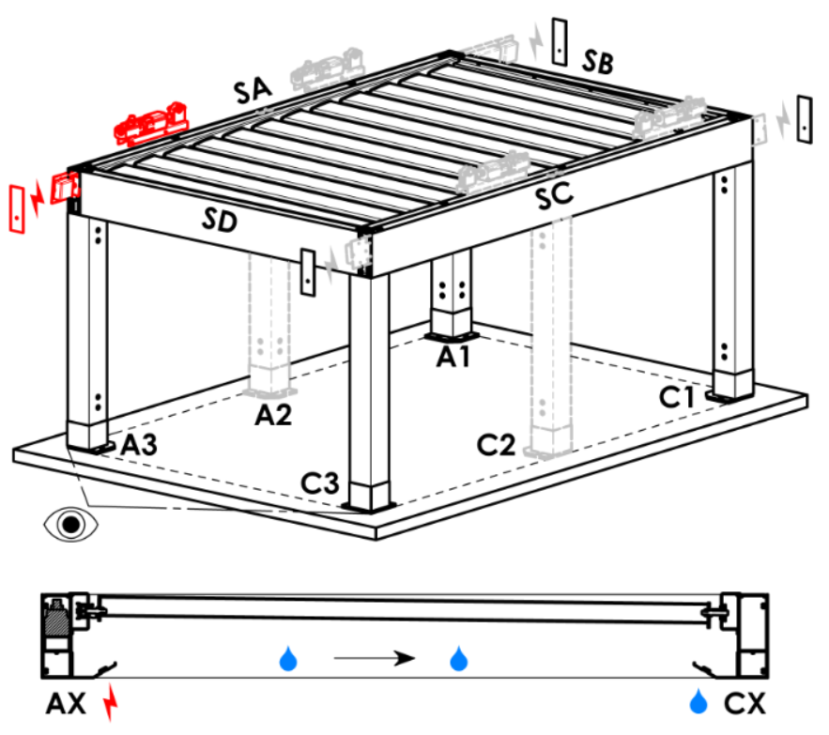
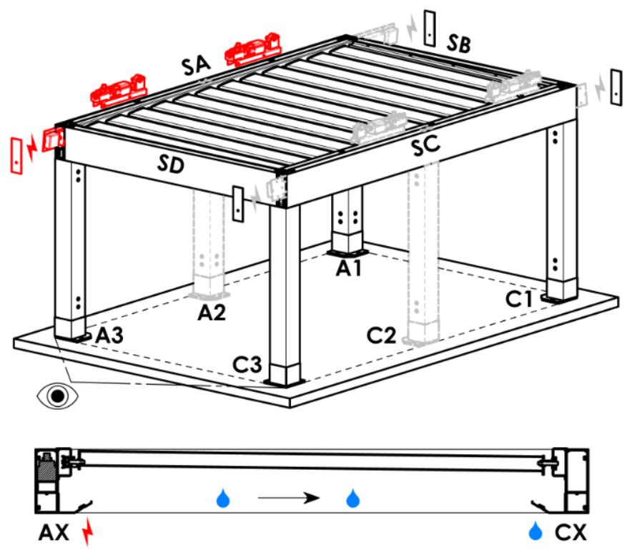
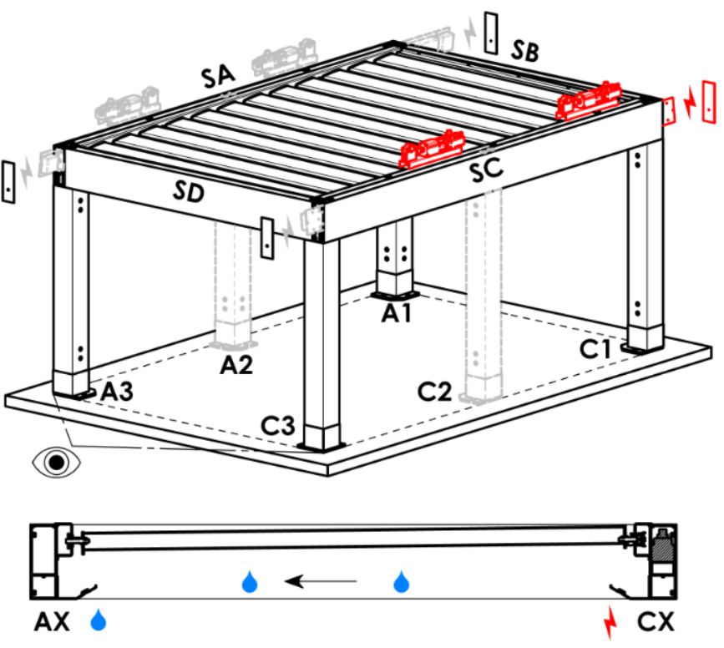
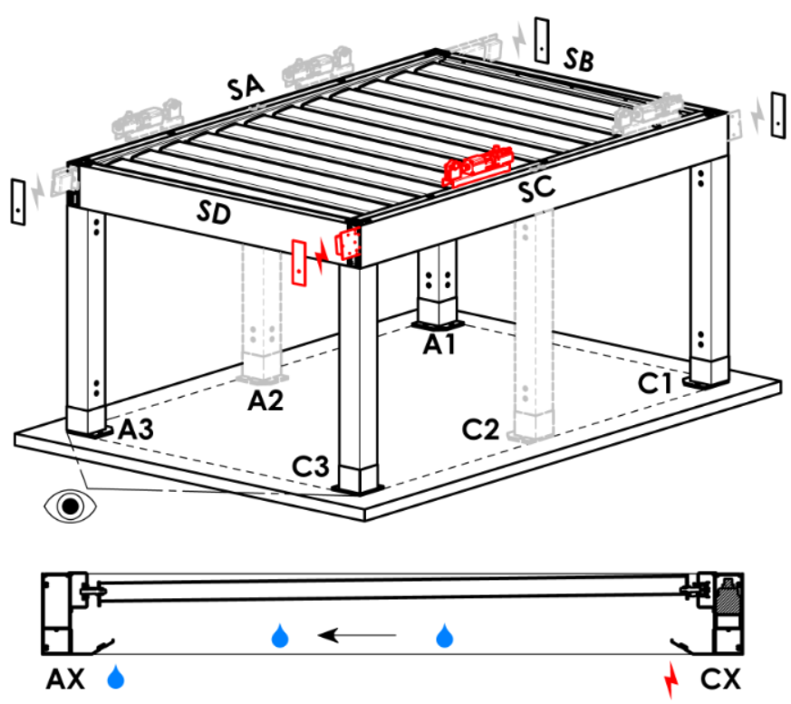
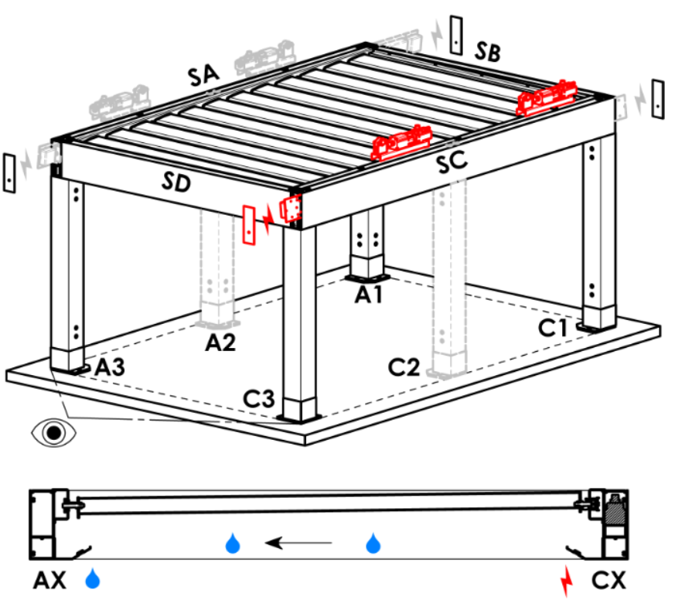
Access point and number of motors
abbreviation | name | note | Access point and number of motors
A1 | A1 | 1pc motor | A1 |  |  | A1A3 |  |  |  | A3 |  |  | A3A1 |  |  | C1 | C1C3 |  | C3 |  | C3C1
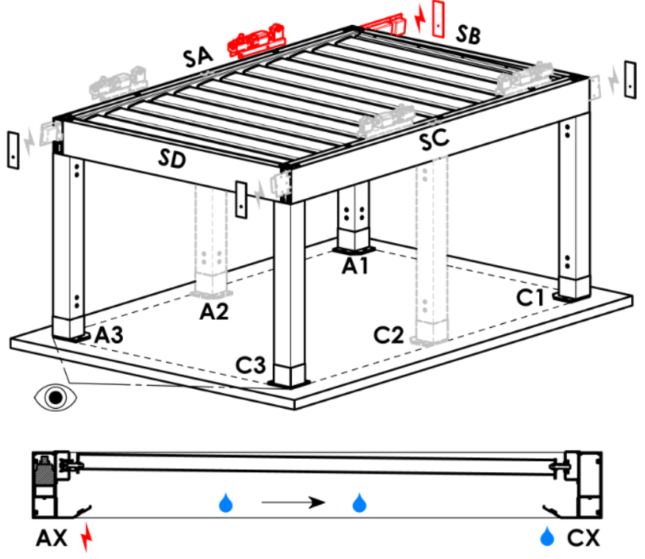
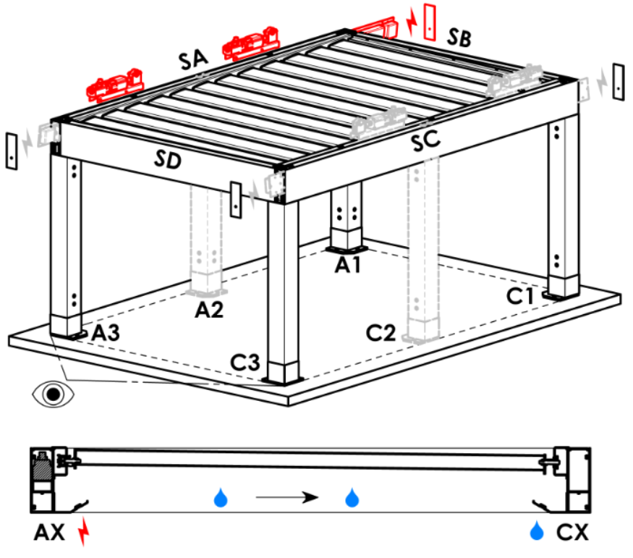
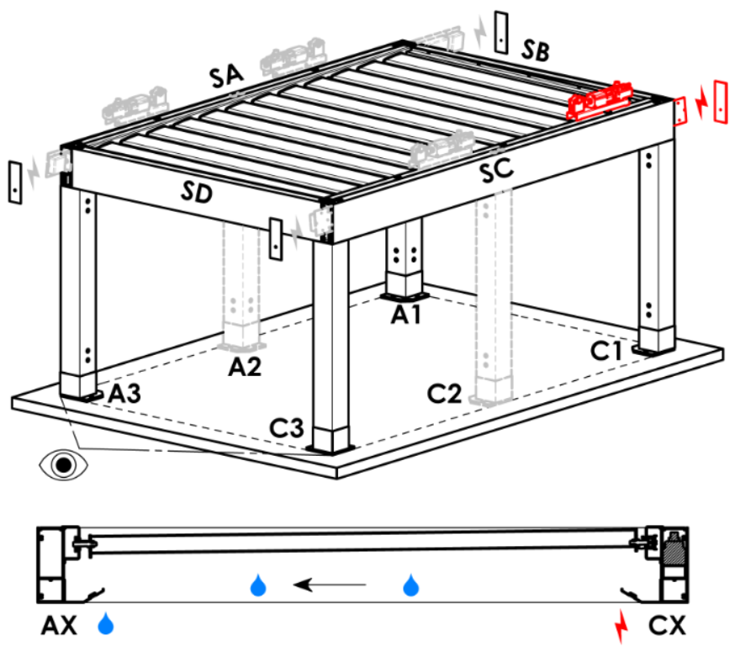
A3 | A3 | 1pc motor
C1 | C1 | 1pc motor
C3 | C3 | 1pc motor
A1A3 | A1+A3 | 2pcs motors, power supply from A1
C1C3 | C1+C3 | 2pcs motors, power supply from C1
A3A1 | A3+A1 | 2pcs motors, power supply from A3
C3C1 | C3+C1 | 2pcs motors, power supply from C3

Motor type
abbreviation | name | note
L_IO | 04. linear motor + receiver IO
S_WT_SR | 01.motor Somfy WT+SLIM IO receiver
S_WT | 01.motor Somfy WT

Auxiliary access point
abbreviation | name | note
N | none | for pergola type A and B
SA-A3 | in the profile SA - in the corner A3 | for pergola type D, auxiliary access point A3 and A3A1
SA-A1 | in the profile SA - in the corner A1 | for pergola type D, auxiliary access point A1 and A1A3
SC-C1 | in the profile SC - in the corner C1 | for pergola type D, auxiliary access point C1 and C1C3
SC-C3 | in the profile SC - in the corner C3 | for pergola type D, auxiliary access point C3 and C3C1

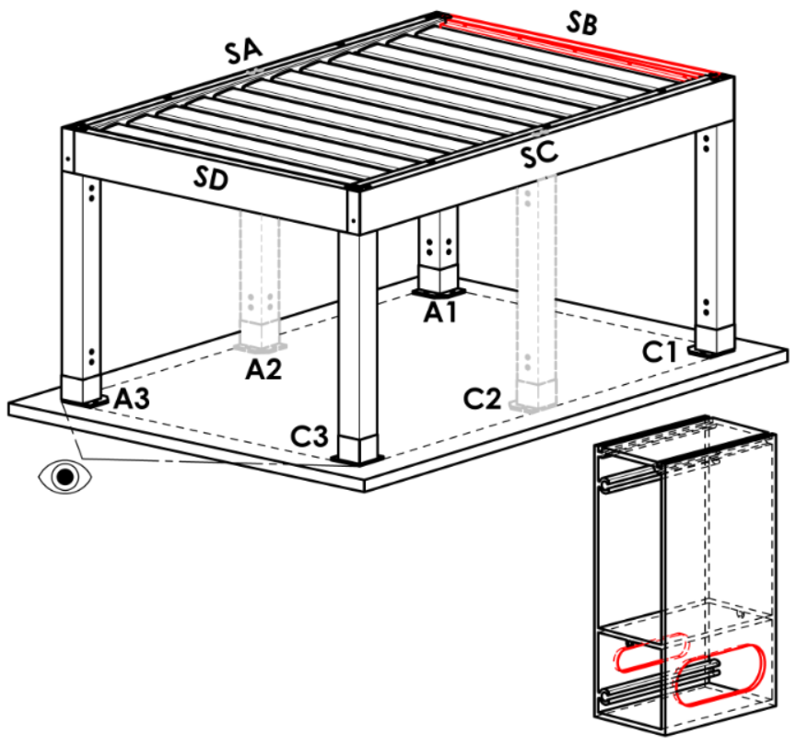
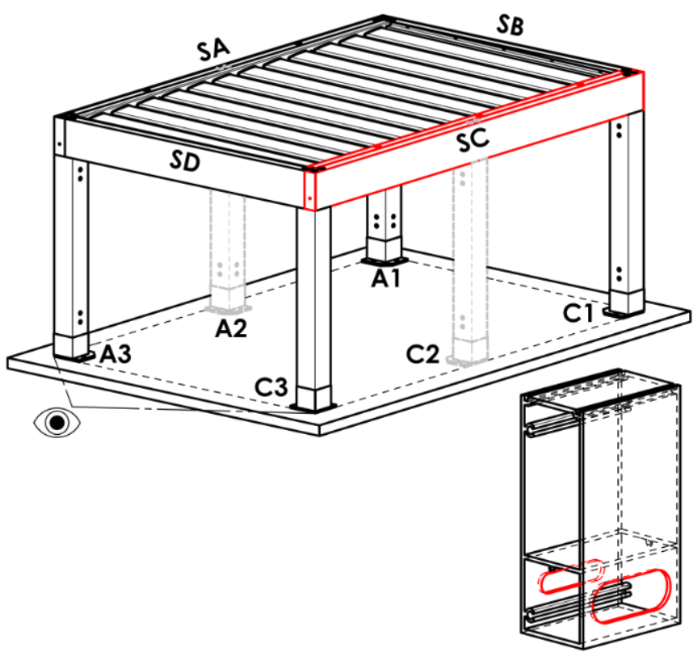
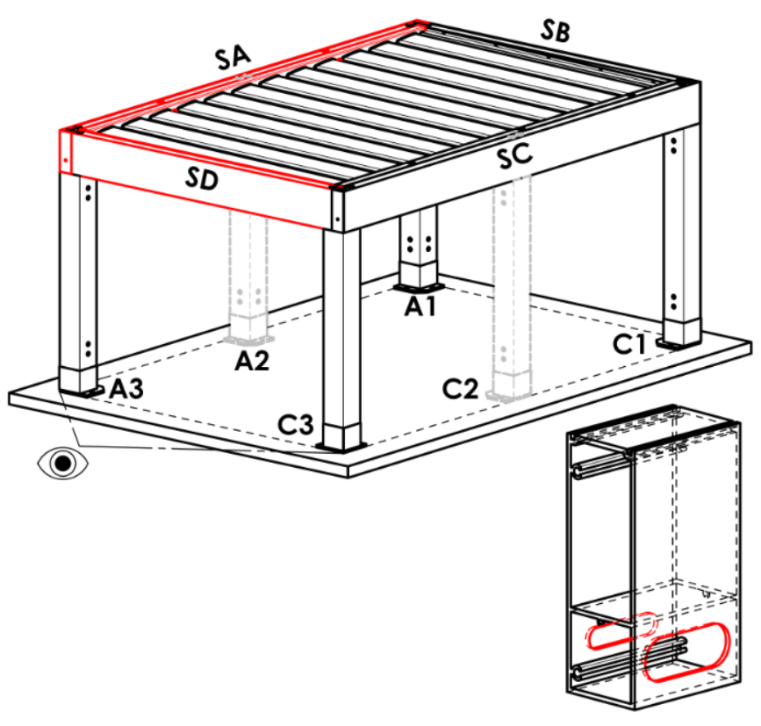
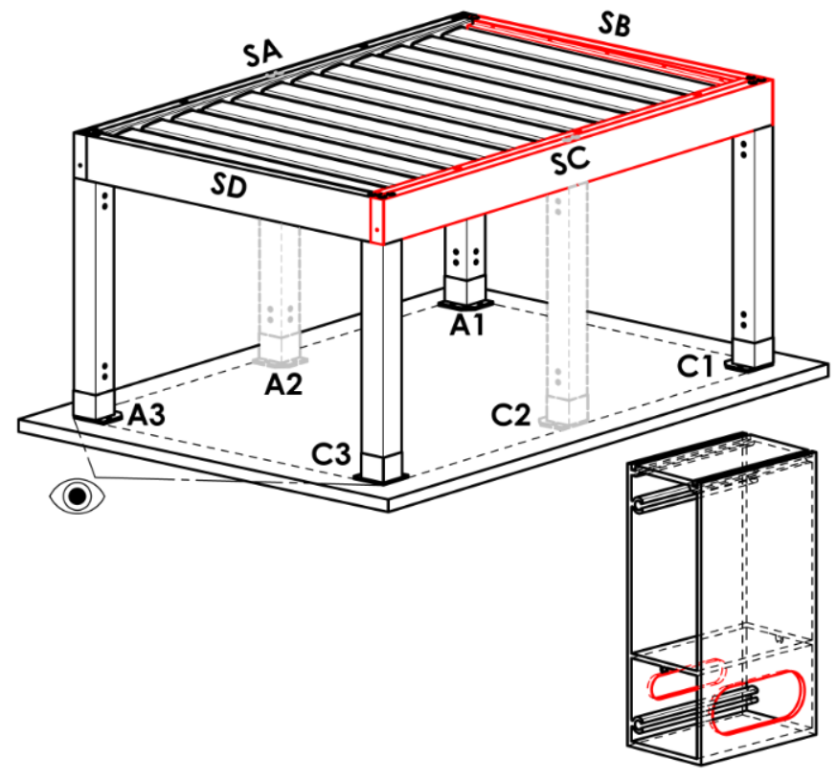
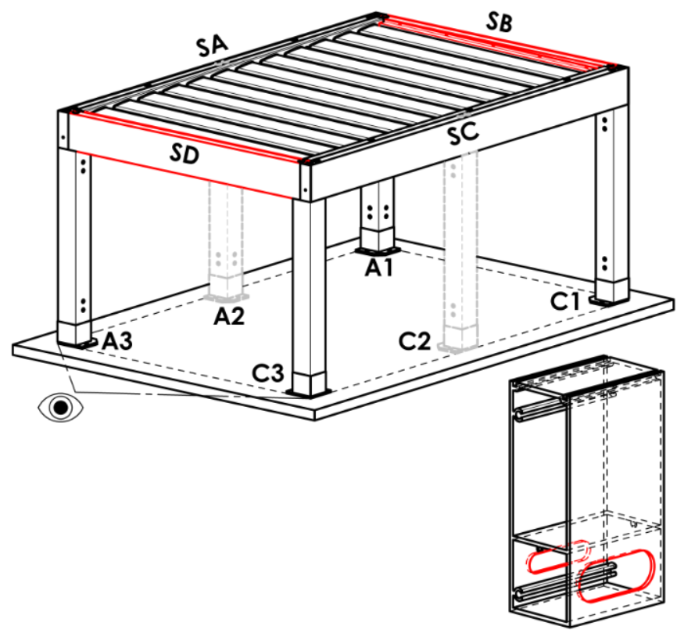
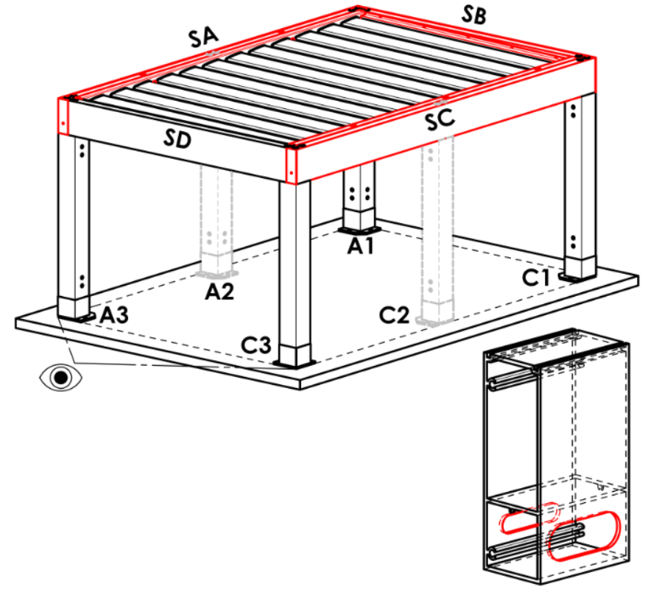
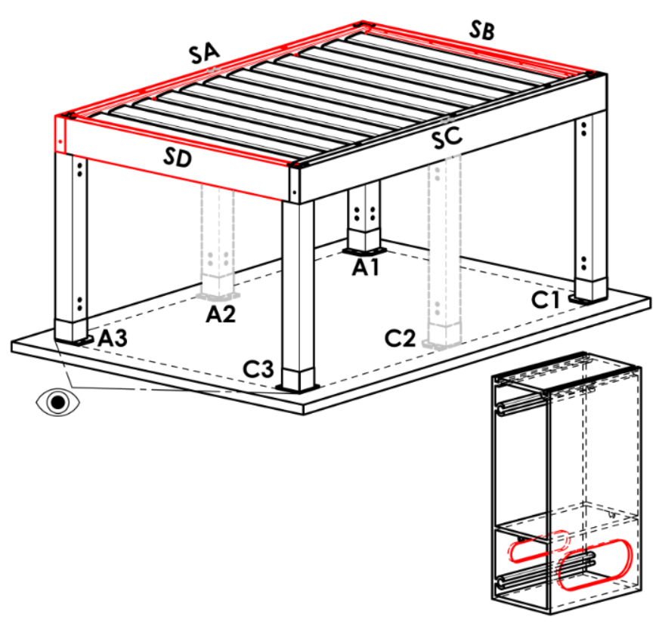
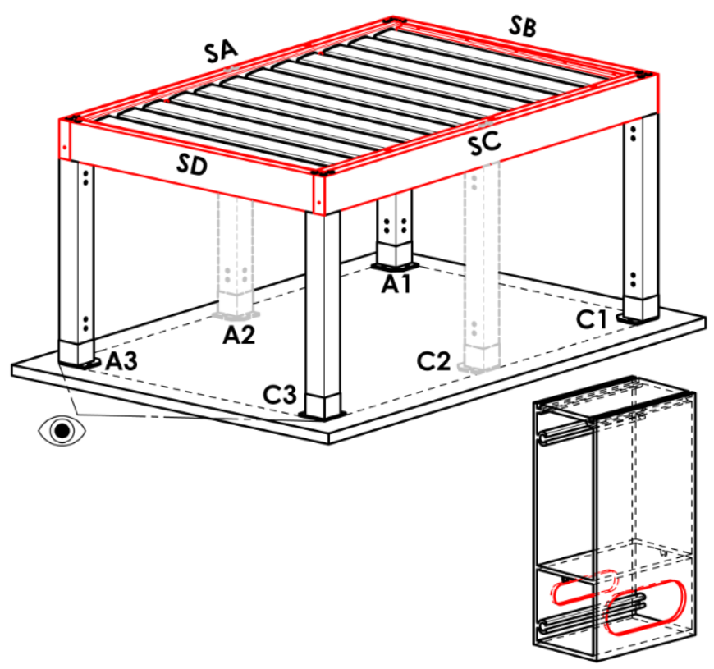
Frame anchoring
abbreviation | name | note | Frame anchoring
N | none |  | N |  | SA |  |  | SB |  |  | SC |  |  | SD |  | SA+SB | SA+SC | SA+SD |  | SB+SC |  | SB+SD | SC+SD | SA+SB+SC | SA+SB+SD | SB+SC+SD | SA+SC+SD | SA+SB+SC+SD
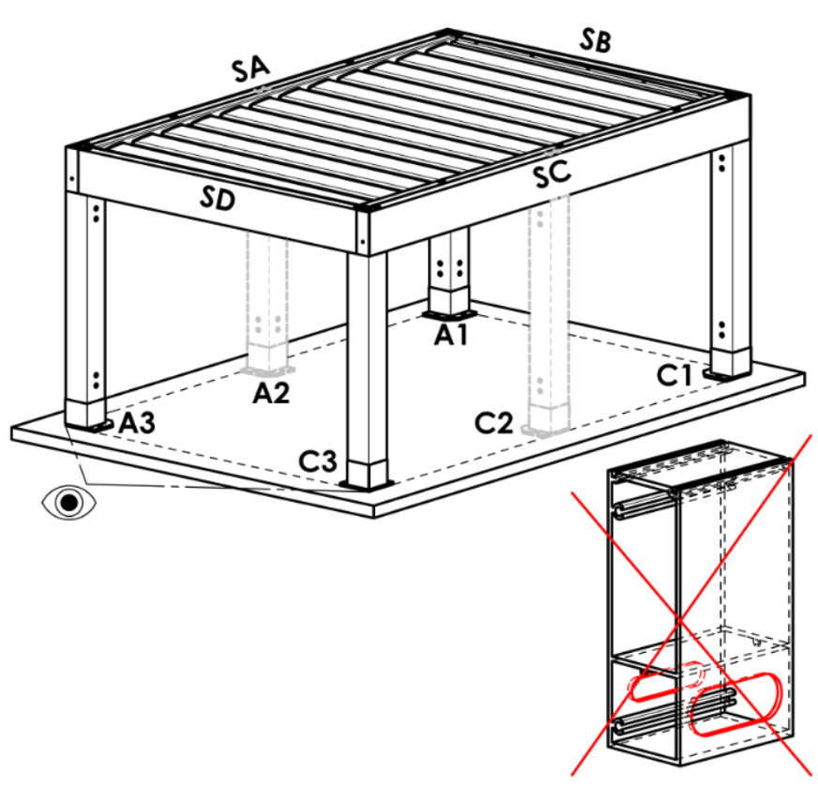
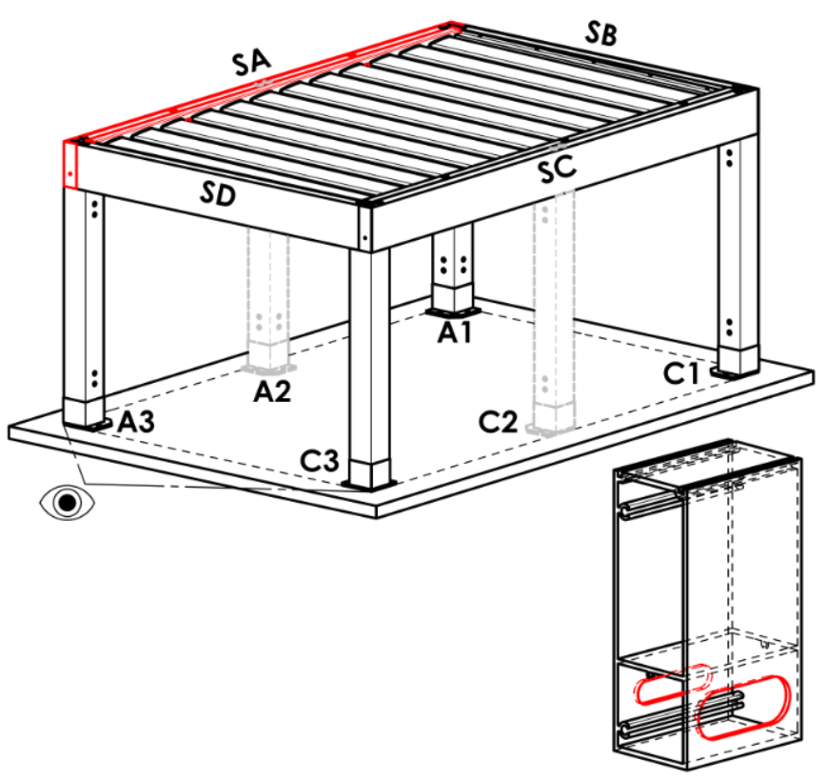
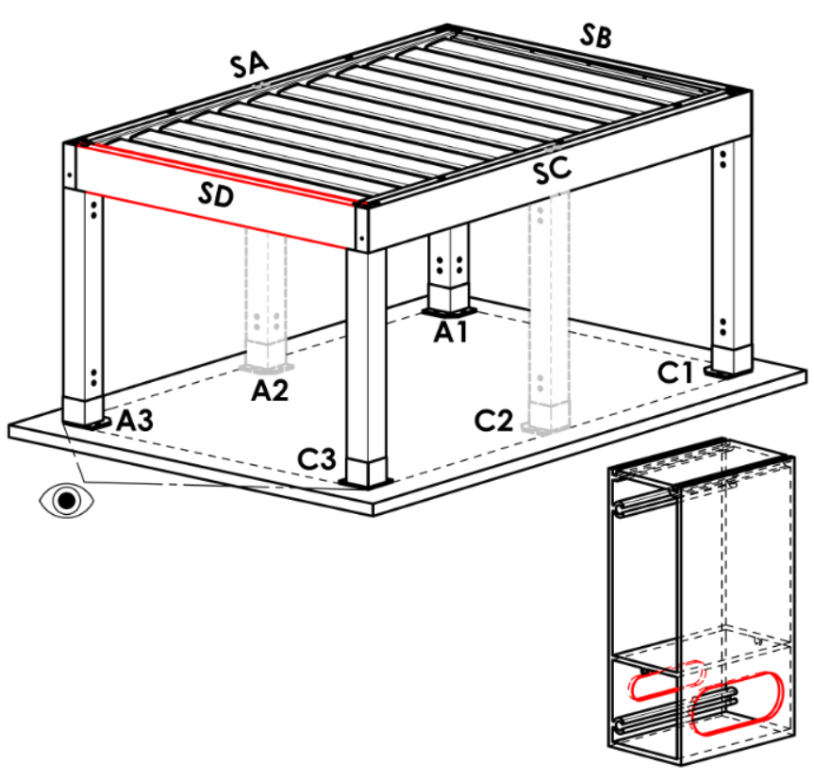
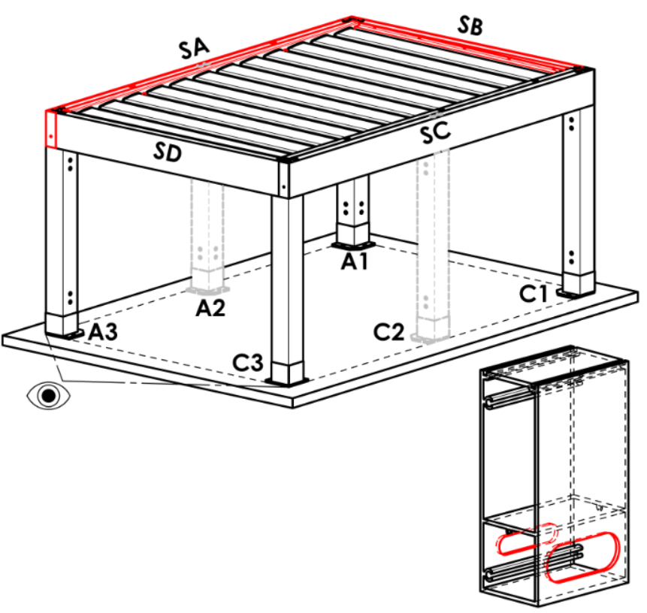
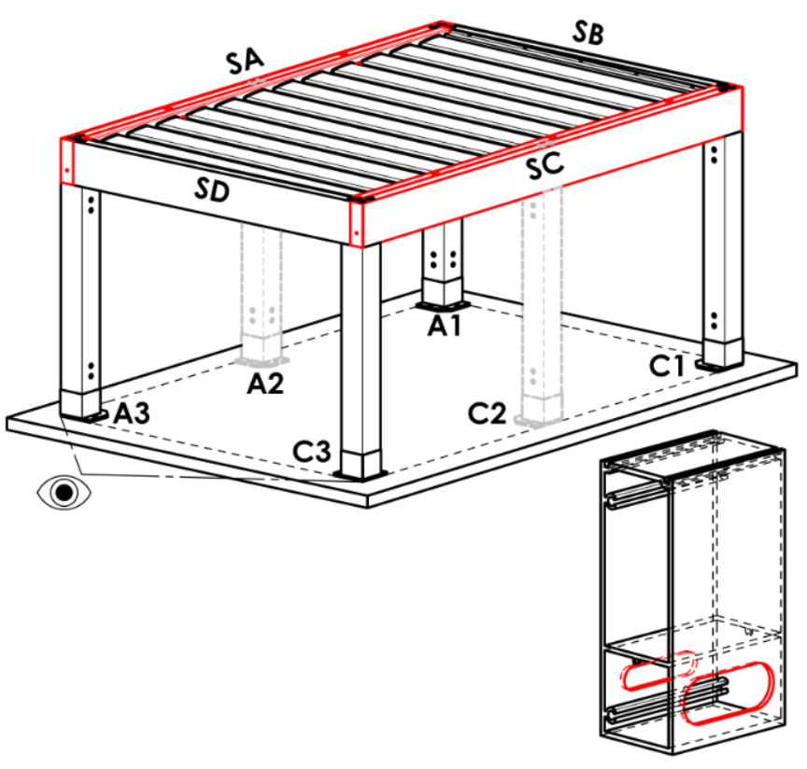
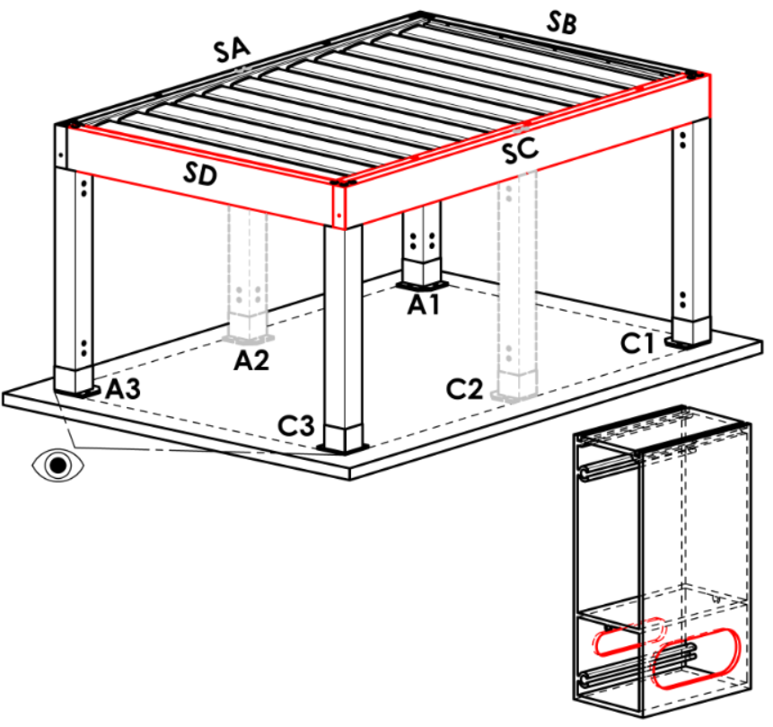
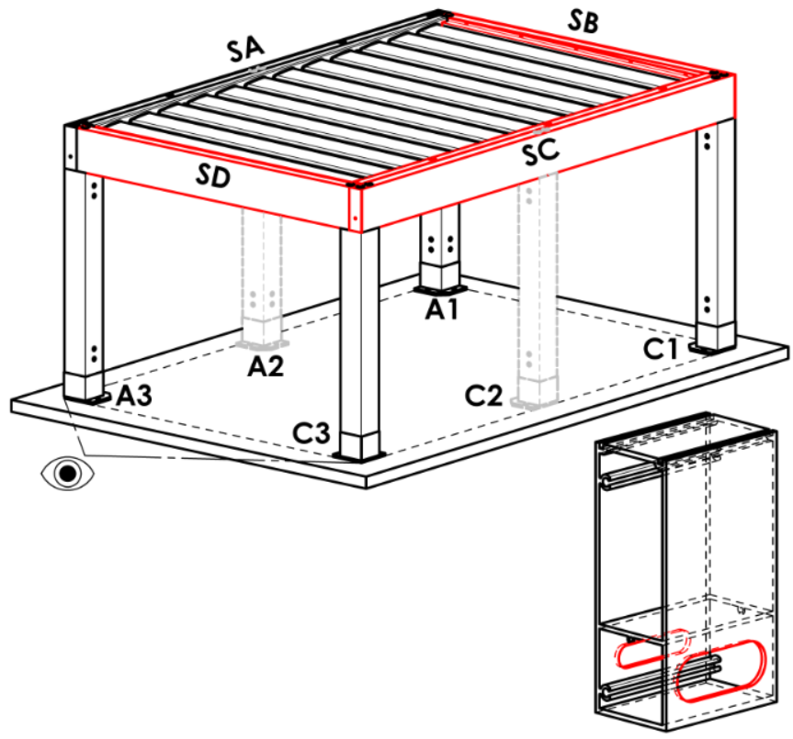
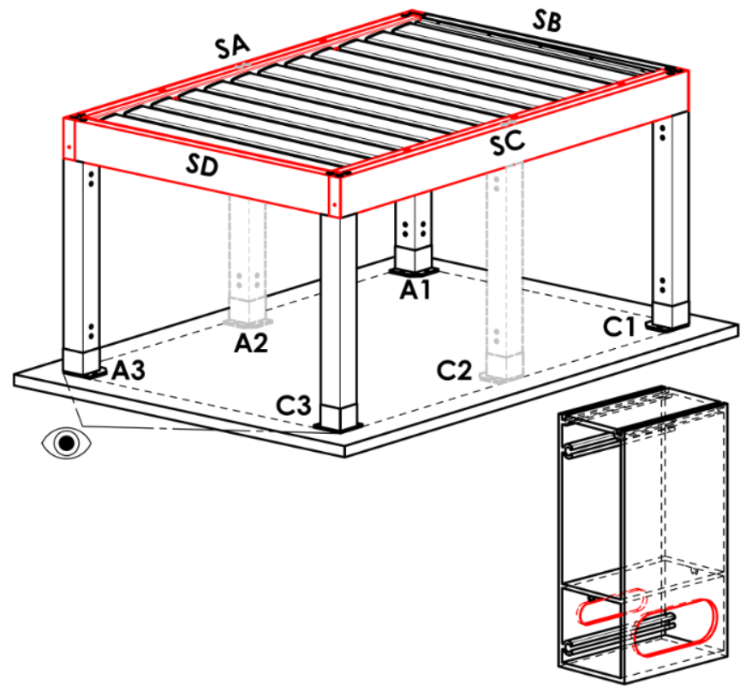
SA | on the side SA
SB | on the side SB | not for pergola type A
SC | on the side SC
SD | on the side SD | not for pergola type A and B
SA+SB | on the sides SA+SB | not for pergola type A
SA+SC | on the sides SA+SC
SA+SD | on the sides SA+SD | not for pergola type A and B
SB+SC | on the sides SB+SC | not for pergola type A
SB+SD | on the sides SB+SD | not for pergola type A and B
SC+SD | on the sides SC+SD | not for pergola type A and B
SA+SB+SC | on the sides SA+SB+SC | not for pergola type A
SA+SB+SD | on the sides SA+SB+SD | not for pergola type A and B
SB+SC+SD | on the sides SB+SC+SD | not for pergola type A and B
SA+SC+SD | on the sides SA+SC+SD | not for pergola type A and B
SA+SB+SC+SD | on the sides SA+SB+SC+SD | not for pergola type A and B

Pole type
abbreviation | name | note
110/110 | pole 110/110
 |  |  | Pole A1
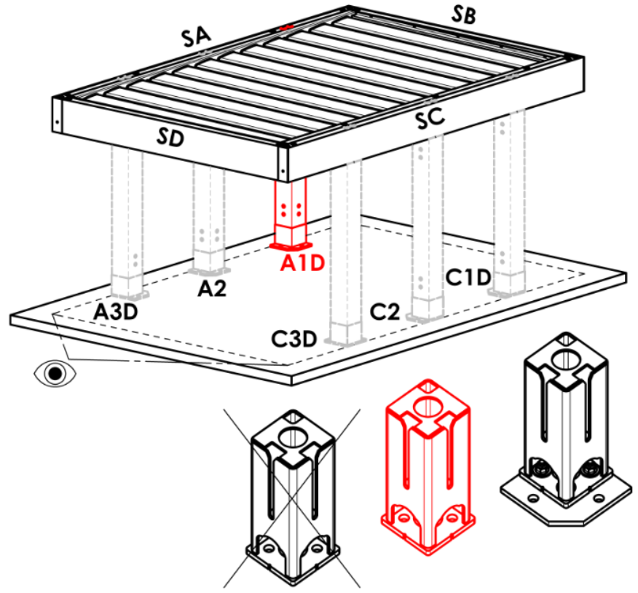
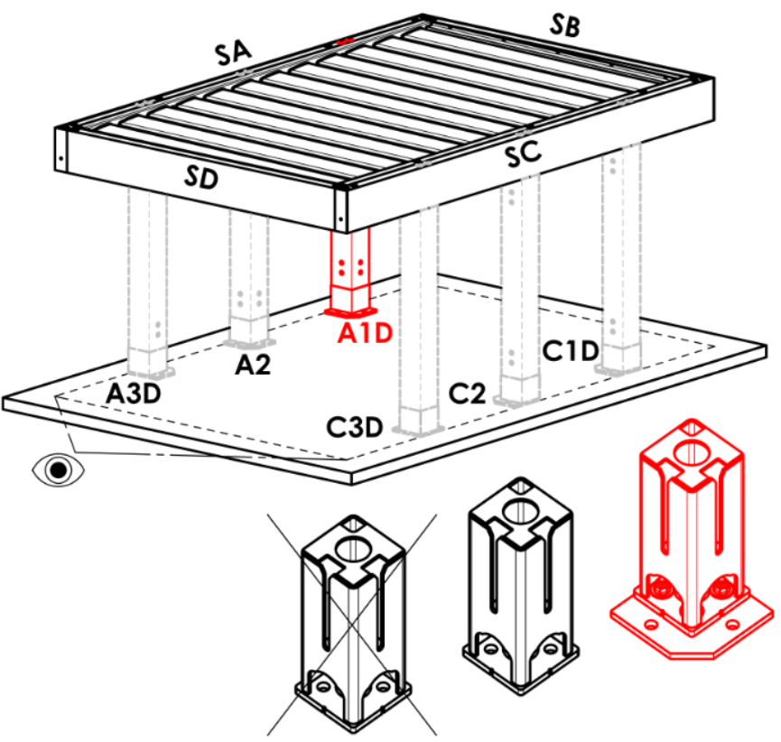
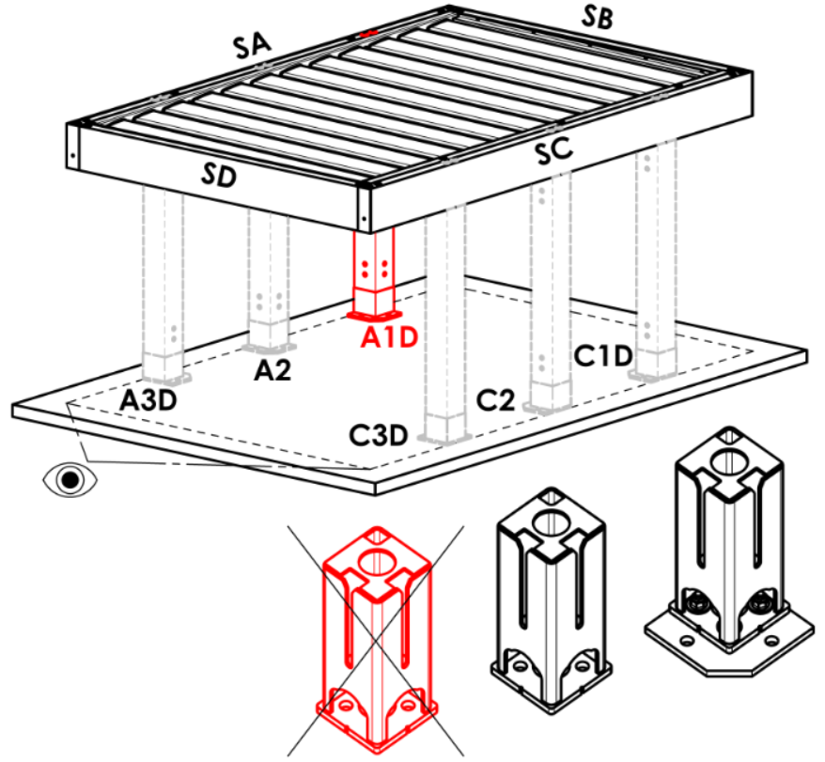
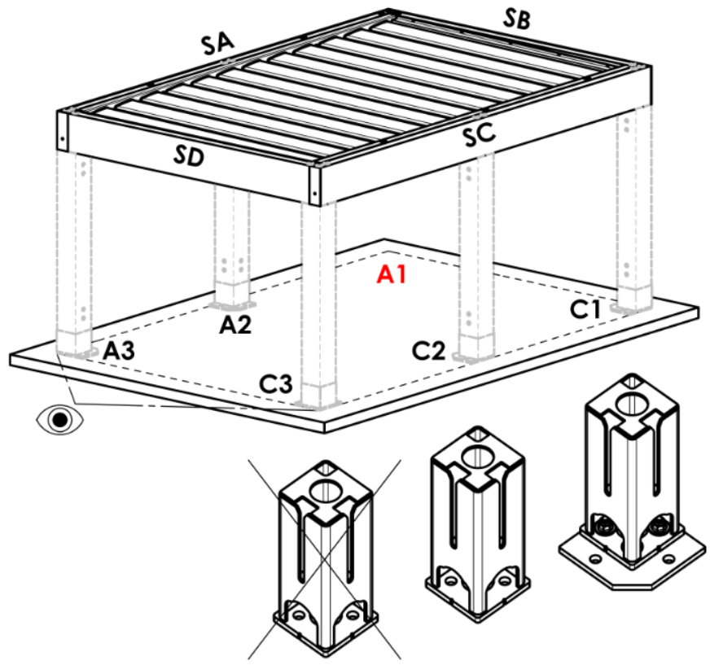
Pole A1 |  |  | A |  | Arz |  | Abp |  | A1D |  |  | A1Drz |  |  | A1Dbp | N
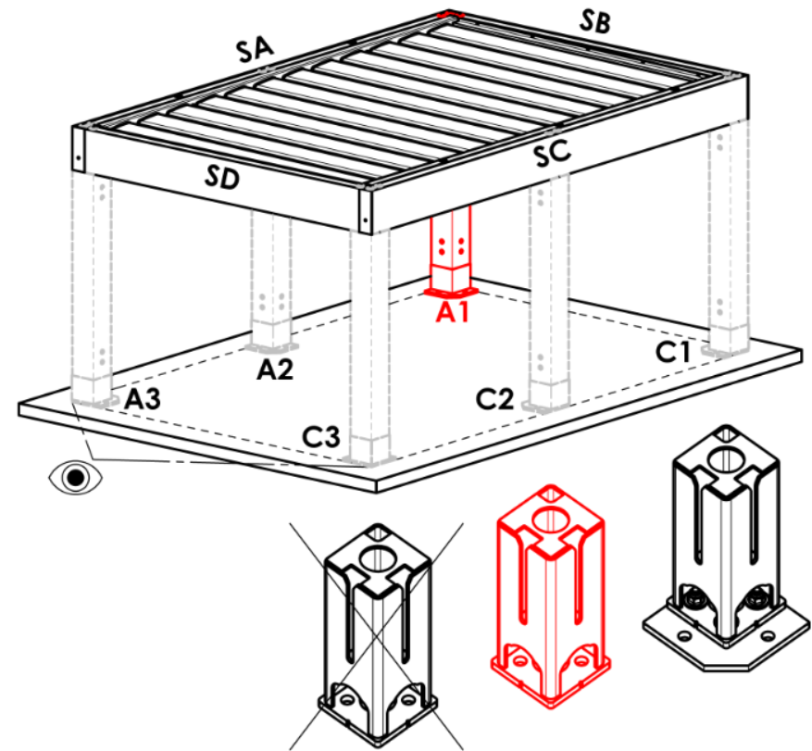
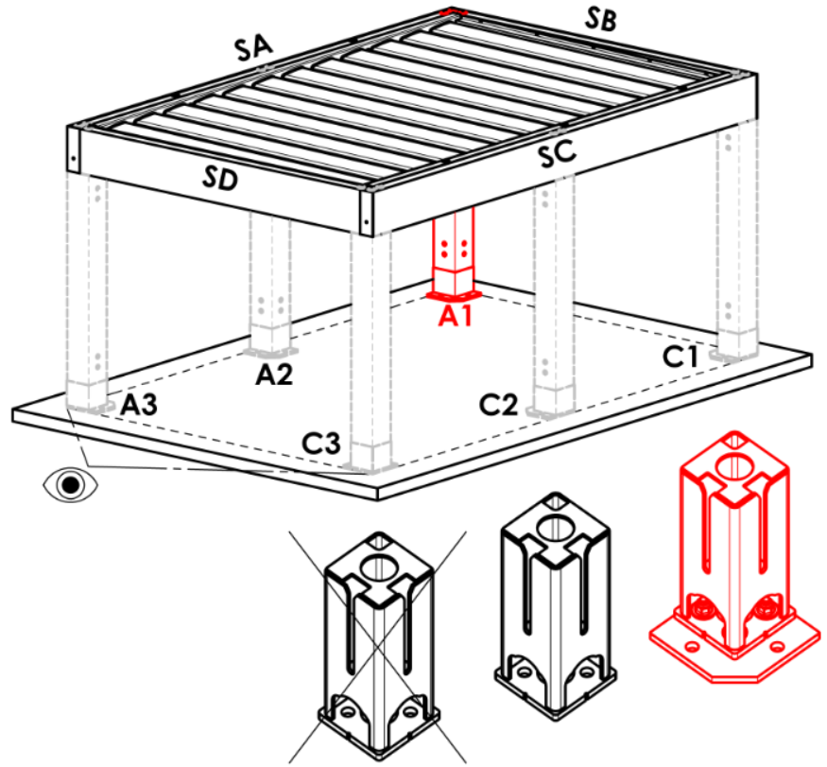
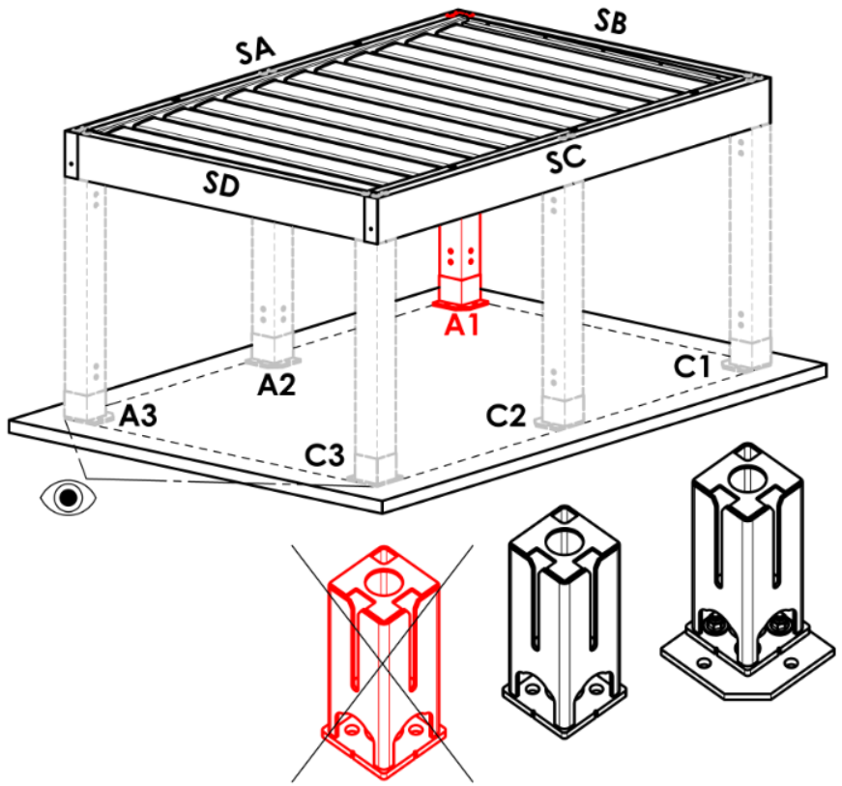
abbreviation | name | note
A | in the corner- hidden base
Arz | in the corner- expanded base
Abp | in the corner- without base
A1D | length shift - hidden base
A1Drz | length shift - expanded base
A1Dbp | length shift - without base
N | none
A1Srz | width shift - expanded base | for pergola type B and D
A1S | width shift - hidden base | for pergola type B and D
A1Sbp | width shift - without base | for pergola type B and D

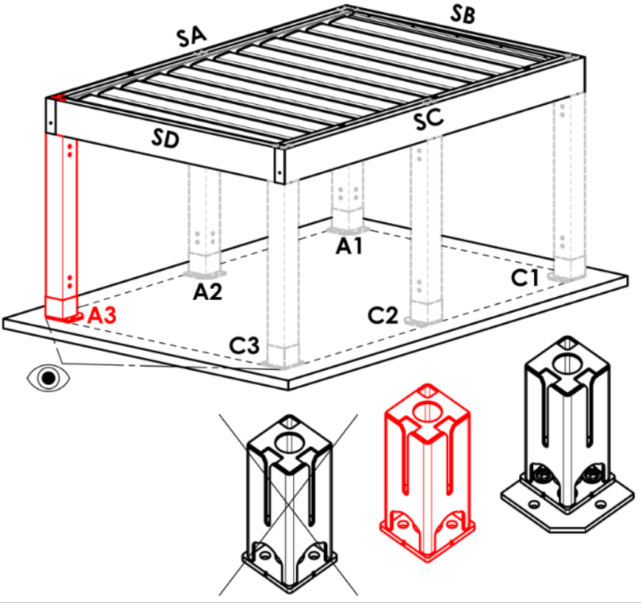
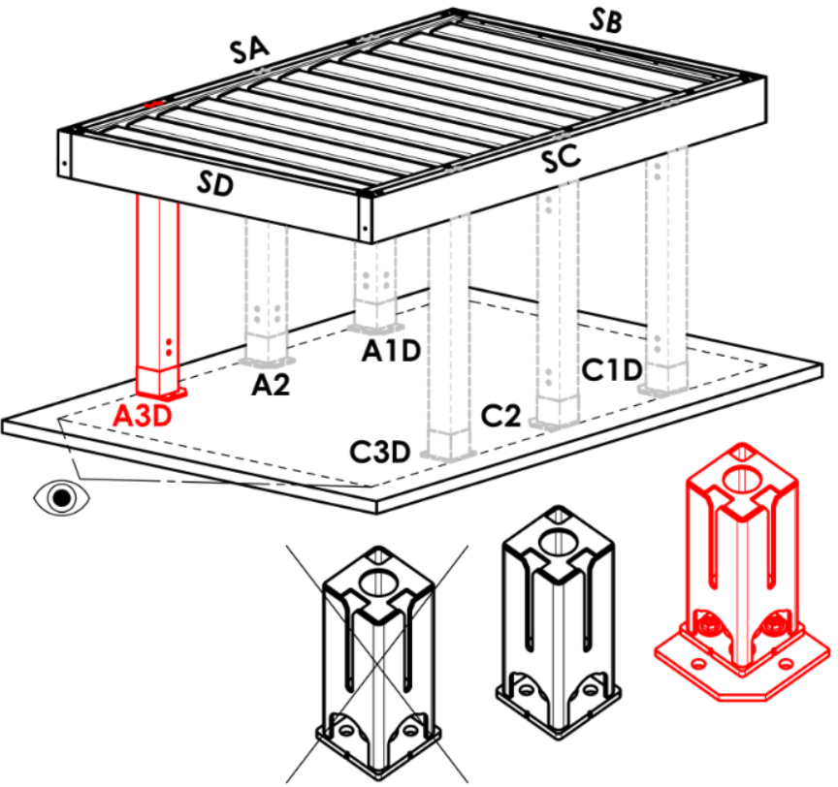
Pole A3
abbreviation | name | note | Pole A3
A | in the corner- hidden base |  | A |  | Arz |  | Abp |  | A3D |  |  | A3Drz |  |  | A3Dbp | N
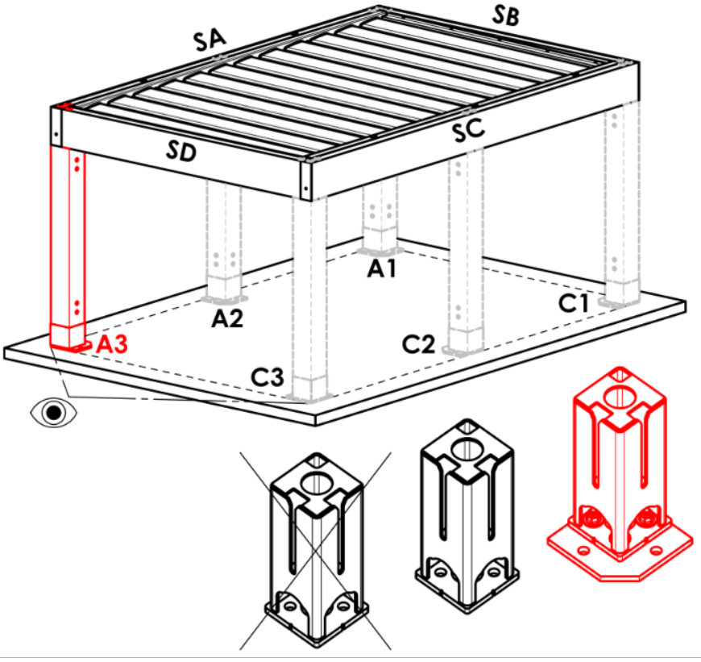
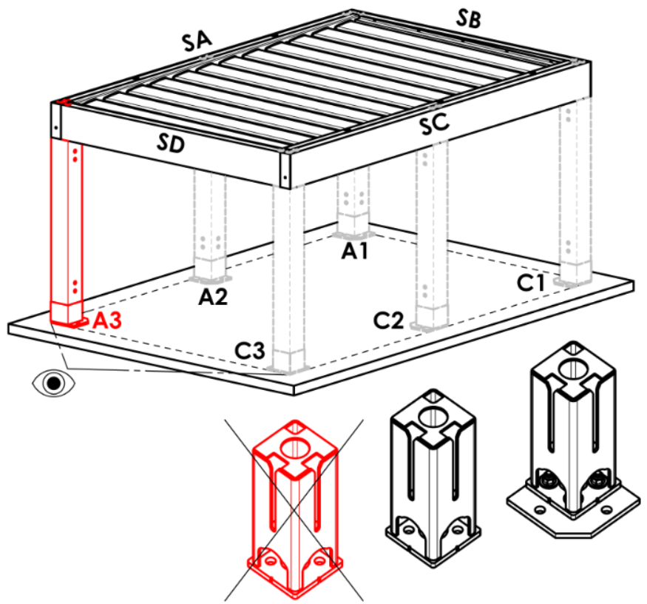
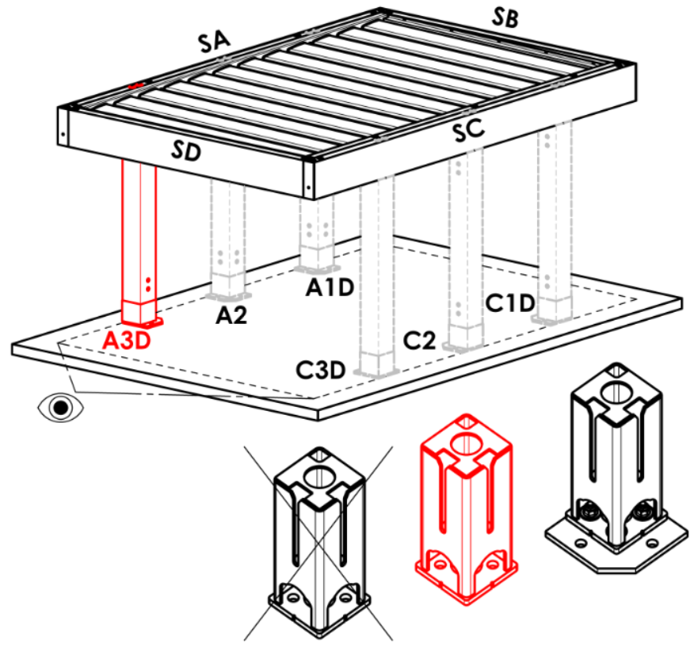
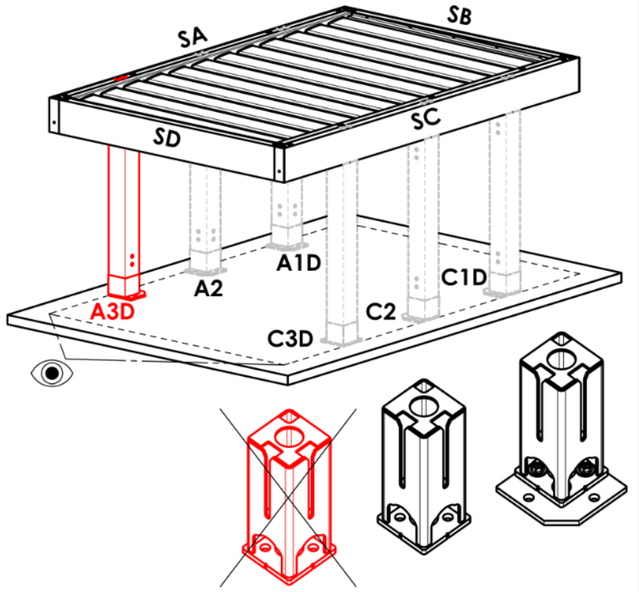
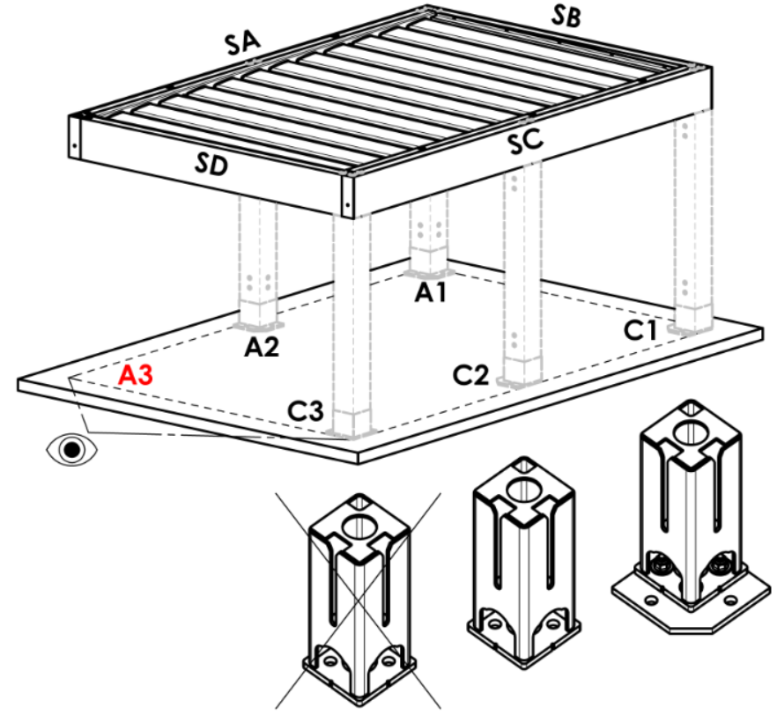
Arz | in the corner- expanded base
Abp | in the corner- without base
A3D | length shift - hidden base
A3Drz | length shift - expanded base
A3Dbp | length shift - without base
N | none
A3S | width shift - hidden base | for pergola type D
A3Srz | width shift - expanded base | for pergola type D
A3Sbp | width shift - without base | for pergola type D

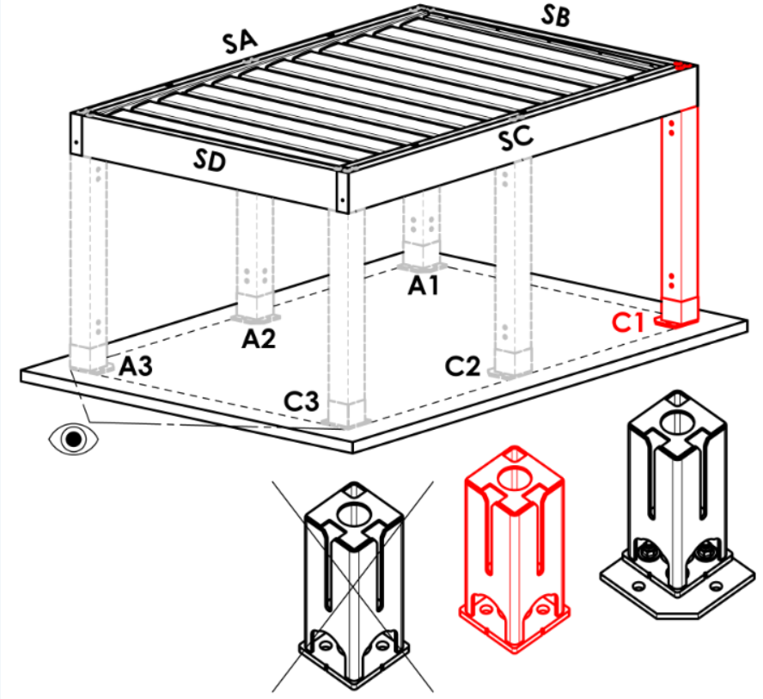




Pole C1
abbreviation | name | note | Pole C1
A | in the corner- hidden base |  | A |  | Arz |  | Abp |  | C1D |  |  | C1Drz |  |  | C1Dbp | N


Arz | in the corner- expanded base
Abp | in the corner- without base
C1D | length shift - hidden base
C1Drz | length shift - expanded base
C1Dbp | length shift - without base
N | none
C1S | width shift - hidden base | for pergola type B and D
C1Srz | width shift - expanded base | for pergola type B and D
C1Sbp | width shift - without base | for pergola type B and D






Pole C3
abbreviation | name | note | Pole C3
A | in the corner- hidden base |  | A |  | Arz |  | Abp |  | C3D |  |  | C3Drz |  |  | C3Dbp | N


Arz | in the corner- expanded base
Abp | in the corner- without base
C3D | length shift - hidden base
C3Drz | length shift - expanded base
C3Dbp | length shift - without base
N | none
C3S | width shift - hidden base | for pergola type D
C3Srz | width shift - expanded base | for pergola type D
C3Sbp | width shift - without base | for pergola type D

Location of rain outfall for pole A1, A3, C1, C3
abbreviation | name | note
BO | without rain outfall (hem without hole) |  | Pole A2 (additional)




NO | uncontrolled rain outfall (hem with square hole) |  | N |  | A2D |  |  | A2Drz |  |  |  | A2bp
RO | controlled rain outfall (hem with semicircular hole)
ML | rain outfall off the hem (hem without hole)
N | none

Pole A2 (additional)
abbreviation | name | note
N | none
A2D | length shift - hidden base |  | Pole C2 (additional)




A2Drz | length shift - expanded base |  | N |  | C2D |  |  | C2Drz |  |  |  | C2bp
A2bp | length shift - without base

Pole C2 (additional)
abbreviation | name | note
N | none
C2D | length shift - hidden base
C2Drz | length shift - expanded base
C2bp | length shift - without base



Location of rain outfall for pole A2, C2 |  |  | Axis shift [mm]
abbreviation | name | note |  | Pole A2 (additional) |  |  |  | Pole C2 (additional)
BO | without rain outfall (hem without hole)
NO | uncontrolled rain outfall (hem with square hole)
RO | controlled rain outfall (hem with semicircular hole)
ML | rain outfall off the hem (hem without hole)
N | none

Number of slats in the 2nd section
abbreviation | name | note
N | none
5L | 5 slats (in the 2nd section)
6L | 6 slats (in the 2nd section)
7L | 7 slats (in the 2nd section)
8L | 8 slats (in the 2nd section)
9L | 9 slats (in the 2nd section)
10L | 10 slats (in the 2nd section)
11L | 11 slats (in the 2nd section)
12L | 12 slats (in the 2nd section)
13L | 13 slats (in the 2nd section)
14L | 14 slats (in the 2nd section)
15L | 15 slats (in the 2nd section)
16L | 16 slats (in the 2nd section)
17L | 17 slats (in the 2nd section)
18L | 18 slats (in the 2nd section)
19L | 19 slats (in the 2nd section)
20L | 20 slats (in the 2nd section)
21L | 21 slats (in the 2nd section)
22L | 22 slats (in the 2nd section)
23L | 23 slats (in the 2nd section)
24L | 24 slats (in the 2nd section)
25L | 25 slats (in the 2nd section)
26L | 26 slats (in the 2nd section)
27L | 27 slats (in the 2nd section)
28L | 28 slats (in the 2nd section)

LED lighting
abbreviation | name | note
N | none
4K | day white, 4000K WT
4K_iO | day white, 4000K iO


Lighting location
abbreviation | name | note | lighting location
N | none |  | OsvD - lighting along the legth |  |  | OsvS - lightong along the width |  |  |  | OsvDS - lightong along length and width |  |  |  | N- none



OsvD | lighting along the length
OsvS | lighting along the width
OsvDS | lighting along the length and width
OsvDL | lighting along the length + lamella
OsvDSL | lighting along the length and width + lamella
OsvSL | lighting along the width + lamella
OsvL | lighting in lamella

Packing
abbreviation | name | note
bp | packing Pergolas - wooden box (EXPORT)


Valid from: 17.08.2026.

